Component percentages
SOURCE | Housing Economics.com
 | Cost of Constructing a Home
 | http://www.nahbclassic.org/generic.aspx?genericContentID=248306&channelID=311
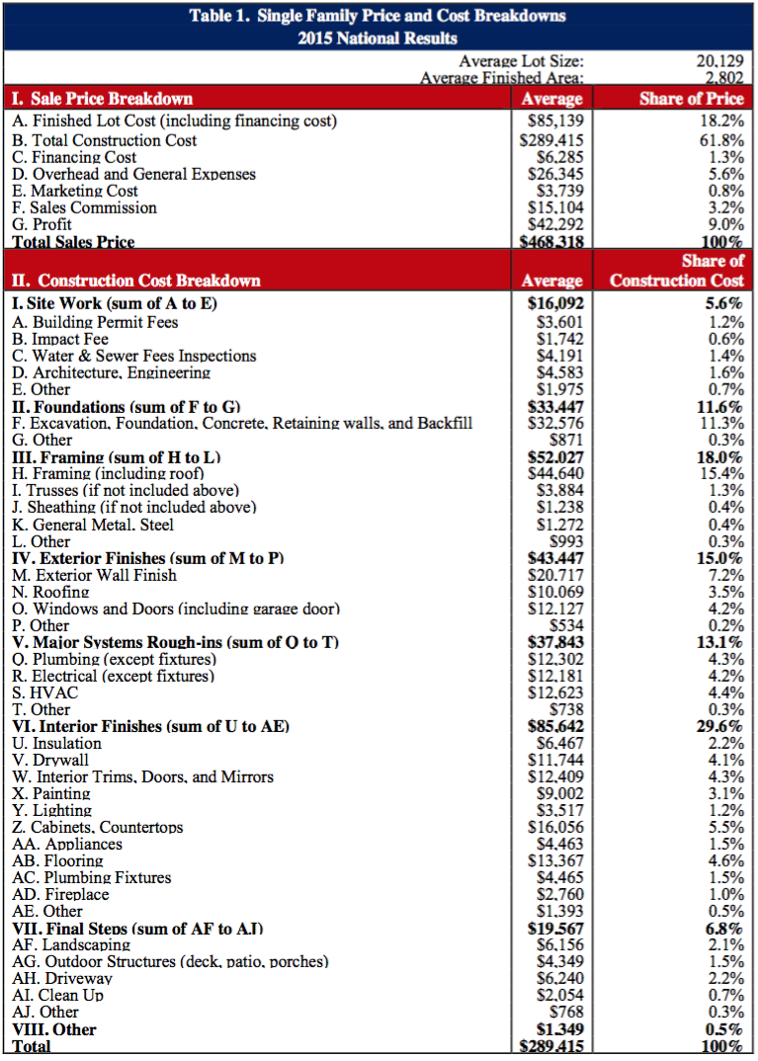
 | Table 1
 | 2015

The table includes an entry for "HVAC," but we need to divide it into
heating and cooling/ventilation. We use the energy use division for
residential buildings in Canada between heating and cooling to
obtain these fractions:
heating | 0.997
cooling and ventilation | 0.003

Component for model | Categories from Table 1 | % of construction price
heating | HVAC | 0.044
cooling and ventilation | HVAC | 0.000
envelope | exterior finishes, insulation, drywall, sheathing | 0.217
lighting | lighting | 0.012
appliances | appliances | 0.015
other

